Hiearchy View
CLASS: LOCK
a mechanism for keeping a door, lid, etc., fastened, typically operated only by a key of a particular form. |  | 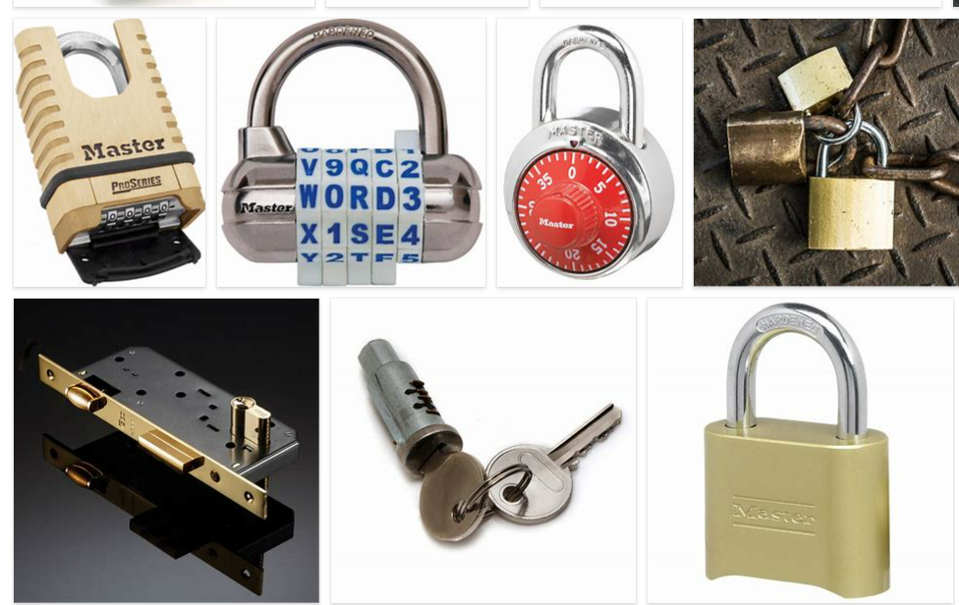
REMOVE | N

PROBLEM_DESC | CAUSE_DESC | REMEDY_DESC
ALARM/SENSOR
BROKEN/DAMAGED
NOISE
OTHER PROBLEM
OVERHEATING
POWER-ELEC
STOPPED/SLOWED/POOR OPS
TEMP-CTRL
Grand Total

